SVR
ODM | Site | SMT or SI or Both | Segment | Tier | OEM1 | OEM2 | OEM3 | OEM4 | OEM5 | OEM6 | OEM7 | OEM8 | OEM9 | OEM10
Quanta | Shanghai | Both | SVR/CSP | 1 | Amazon | Facebook | Google | PCSD/Intel | Own brand (QCT) | Alibaba | Tencent
 | Tennessee | SI | SVR/CSP | 2 | Amazon | Facebook
 | Taiwan | Both | SVR/CSP | 1 | Amazon | Facebook | Google
 | Germany | SI | SVR/CSP | 2 | Amazon | Facebook
Compal | Kunshan | Both | SVR | 1 | Dell (66%) | Lenovo (22%) | Intel (12%)
Inventec | Shanghai | Both | SVR | 1 | L10: Tencent | L10: Alibaba | L10: JD | L10: Bytedance | L10: HPE | Dell (L6) | Lenovo (L6) | Baidu
 | Taiwan | Both | SVR/CSP | 2 | Dell | Microsoft | Facebook | Google | AWS
 | Czech Republic (Brno) | SI | SVR/CSP | 3 | HPE
 | Mexico | SI | SVR | 1 | HPE
LCFC | Hefei | Both | SVR | 1 | Lenovo
Lenovo | Mexico | SI | SVR/CSP | 1 | Lenovo | Microsoft | IBM
 | Shenzhen | SI | SVR/CSP | 2 | Lenovo | Alibaba | Tencent
 | Brazil | SI | SVR | 2 | Lenovo
Wistron | Zhongshan | Both | SVR | 2 | Lenovo | Dell | HP | Acer
 | Hsinchu | ? | SVR | 3 | Focusing on AI, like Nvidia
 | Czech Republic | SI | SVR/CSP | 3 | Facebook | Microsoft | Fujitsu
Pegatron | Taipei | SMT | SVR | 2 | Fujitsu
Foxconn | Shenzhen | Both | SVR/CSP | 2 | Cisco | AWS | NetApp | Oracle | DELL/EMC | Apple (iphone 20%)
 | Nanning (reactive) | Both | SVR | 3 | Oracle | more?
 | Wuhan | Both | SVR | 2 | Dell | HPE | Lenovo | Intel
 | Tianjin | Both | SVR | 1 | Dell (EPDI factory) L6 | Amazon (EODVI factory) L6 | CABG factory : Alibaba (1/3) | CABG factory : Tencent (30%) | CABG factory : bytedance (10-15%) | CABG factory : HP (L6)
 | Czech Republic (Kutna Hora) | SI | SVR/CSP | 3 | HPE | Amazon
 | Hungary | SI | SVR/CSP | 3 | Microsoft | Cloud Network Technology
 | Mexico, Guad | SI | SVR/CSP | 1 | Amazon | Cisco
 | Mexico, Juarez | SI | SVR | 1 | Dell | HPE | Lenovo
Huaqin | Shenzhen | Both | SVR/CSP | 1 | Huawei | PowerLeader | Sugon | Hikvision | H3C
Inspur | Shenzhen | SI | SVR | 2 | Tencent | Alibaba
 | Jinan | SI | SVR/CSP | 1 | L10: Tencent | L10: Alibaba | L10: JD | L10: Bytedance | Lenovo (L6) | Baidu
 | Suzhou | SMT | SVR/CSP | 2 | Tencent | Alibaba | JD | Bytedance
 | Guiyang | SI | SVR | 2 | Low end projects | Alibaba
 | Hungary | SI | SVR/CSP | 3 | new - ramp delayed due to Covid19
Wiwynn | Taiwan | Both | SVR | 2 | FB,
 | US | SI | SVR/CSP | 3 | Twitter
 | Mexico | Both | SVR/CSP | 1 | Facebook | Microsoft | Twitter
Accept | Brazil | SI | SVR | 2 | Positivo
Dell | Brazil | SI | SVR | 2 | Dell
Flextronics | Brazil | SI | SVR/CSP | 2 | HPE | Cisco | Google
 | Hungary | SI | SVR | 3 | Lenovo
 | Mexico | SI | SVR | 3 | Cisco
Hyve | UK - Telford | SI | SVR/CSP | 3 | Amazon
 | US - Fremont | SI | SVR/CSP | 3 | Amazon
 | Wuxi (PRC) | SI | SVR/CSP | 3 | Amazon
Jabil | SC, USA | SI | SVR/CSP | 2 | Amazon
Ingrasys | Elsalto, MX | SI | SVR/CSP | 2 | Amazon | Microsoft
Nypro | Ireland | SI | SVR/CSP | 2 | Amazon
ZT | New Jersey | SI | SVR/CSP | 2 | Amazon | Microsoft
 | Netherlands | SI | CSP | 2 | Microsoft
 | Shenzhen | SI | CSP | 2 | Microsoft
Cloud Network Tech | Houston, TX | SI | SVR/CSP | 3 | Oracle
Nanning Fugui Precision Indst. | Nanning China | SI | SVR/CSP | 3 | Oracle
NSG Tech | San Jose, CA | SI | SVR/CSP | 3 | Oracle
Supermicro | San Jose, CA | SI | SVR/CSP | 1 | Supermicro
 | Netherlands | SI | SVR/CSP | 2 | Supermicro
 | Taiwan | SI | SVR/CSP | 2 | Supermicro
Cowin Worldwide Corp | Hong Kong | SI | SVR/CSP | 3 | Microsoft
Siemens | Germany | SI | SVR/IOTG | 1 | Broad Market
Congatec | Germany | SI | SVR/IOTG | 2 | Broad Market
Kontron | Germany | SI | SVR/IOTG | 2 | Broad Market
Bechoff | Germany | SI | SVR/IOTG | 3 | Broad Market
Tyan | US | SI | SVR/CSP | 2 | Twitter
H3C | Hangzhou | SI | SVR/CSP | 2 | Baidu | Alibaba | Tencent | H3C | small customers like Kingsoft
Mitac (Monitoring only) |  |  |  |  | PCSD - Intel
NEC | Kofu, Japan | SI? | SVR | 3 | HPE
HP | Singapore F2 | SI? | SVR |  | HPE

Server Segments | Enterprise | 60-80% | who are top ODMs building for them |  |  | Dell, HPE, Inspur, Lenovo, Supermicro, ODM Direct (Quanta, Foxconn, Inventec, Wistron/Wiwynn, MiTAC, Gigabyte, ASRock), other OEMs (Oracle, Cisco, Huawei, IBM, etc)
 | CSPs | all CSPs | who are they using to build |  |  | Google, Amazon, MSFT, FB, Tencent, Alibaba, Baidu, Twitter, Bytedance, JD

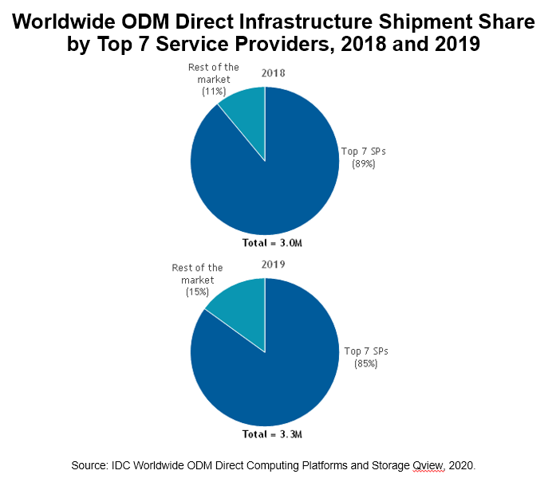
What is EDPI? | under EPBG (Enterprise product business group) - L6 factory for Dell and Amazon servers
What is EODVI? | Still TBD - asked a few Foxconn folks that aren't sure :)
What is CABG? | Could Application Business Group - focus on HP, Alibaba, Tencent server design and mfr

additional Follow ups:
Learn more about what Intel customers are supported by Wistron Hsinchu |  |  |  |  |  | Top 5 Companies, Worldwide Server Unit Shipments, Market Share, and Growth, First Quarter of 2020
Cross-reference with John Yang and Patrick Chen and Kevin Fong |  |  |  |  |  | Company | 1Q20 Unit Shipments | 1Q20 Market Share | 1Q19 Unit Shipments | 1Q19 Market Share | 1Q20/1Q19 Unit Growth
Keep this table updated regularly and verify 1-2x per year |  |  |  |  |  | 1. Dell Technologies | 474,011 | 18.40% | 516,997 | 20.00% | -8.30%
Check the server customers supported by Huaqin |  |  |  |  |  | 2. HPE/New H3C Group | 377,544 | 14.70% | 411,124 | 15.90% | -8.20%
 |  |  |  |  |  | 3. Inspur/Inspur Power Systems | 211,007 | 8.20% | 204,868 | 7.90% | 3.00%
 |  |  |  |  |  | T4. Lenovo | 153,570 | 6.00% | 137,474 | 5.30% | 11.70%
 |  |  |  |  |  | T4. Super Micro | 132,001 | 5.10% | 135,508 | 5.30% | -2.60%
 |  |  |  |  |  | ODM Direct | 770,446 | 29.90% | 651,357 | 25.20% | 18.30%
 |  |  |  |  |  | Rest of Market | 456,841 | 17.70% | 523,194 | 20.30% | -12.70%
 |  |  |  |  |  | Total | 2,575,439 | 100.00% | 2,580,522 | 100.00% | -0.20%
 |  |  |  |  |  | Source: IDC Worldwide Quarterly Server Tracker, June 9, 2020

Quanta, Wiwynn, Foxconn, Inventec, MiTAC, ASRock Rack, and Gigabyte. These seven vendors accounted for 89% of the $21.2 billion in 2019 sales
 |  |  |  |  |  | TOP ODM Direct providers | Quanta, Foxconn, Inventec, Wistron, Wiwynn

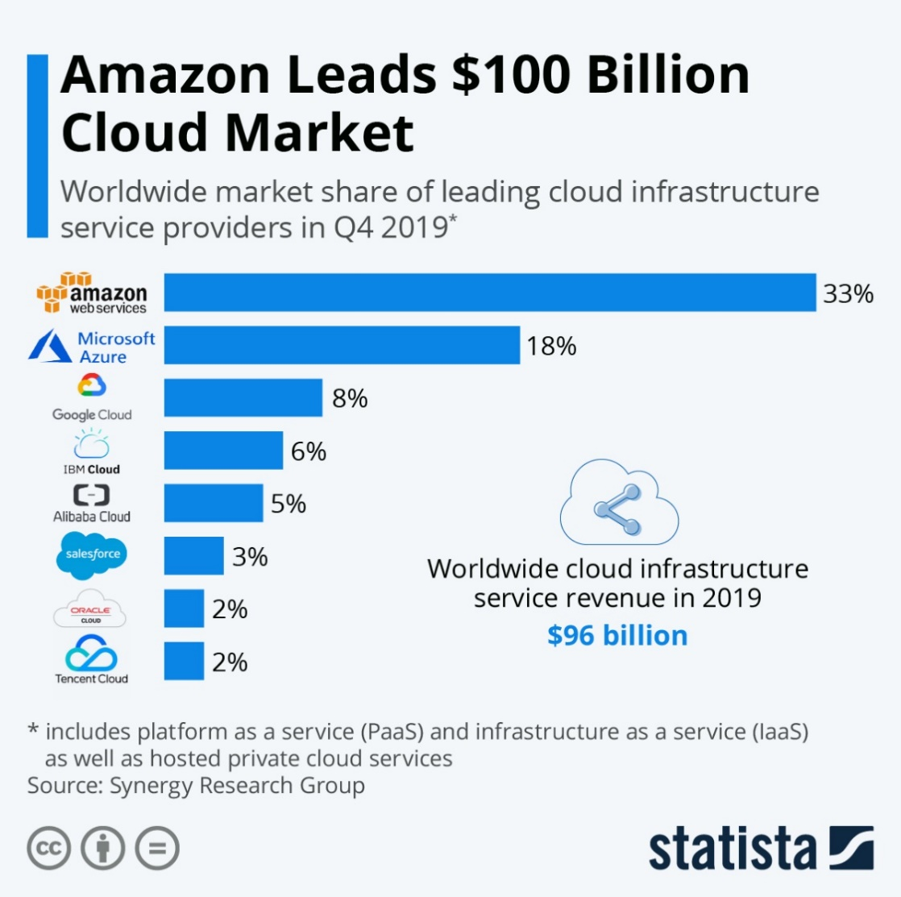
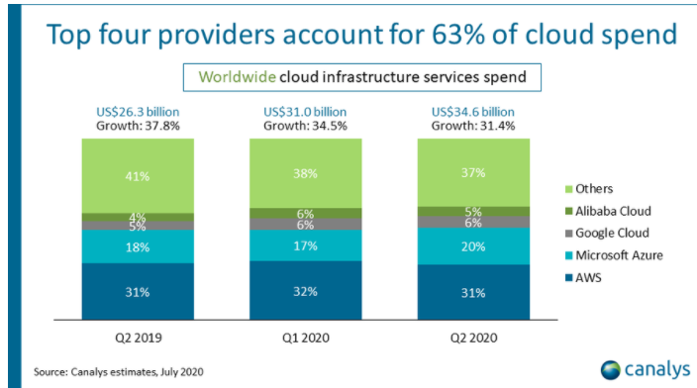

 |  |  |  |  |  |  |  |  | Top OEMs
 |  |  |  |  |  |  |  |  | Amazon | 31
 |  |  |  |  |  |  |  |  | Microsoft | 20
 |  |  |  |  |  |  |  |  | Google | 6
 |  |  |  |  |  |  |  |  | Alibaba | 5
 |  |  |  |  |  |  |  |  | Oracle | 2
 |  |  |  |  |  |  |  |  | Tencent | 2
 |  |  |  |  |  |  |  |  | Baidu
 |  |  |  |  |  |  |  |  | Facebook
 |  |  |  |  |  |  |  |  | IBM
 |  |  |  |  |  |  |  |  | Salesforce
 |  |  |  |  |  |  |  |  | Twitter

 |  |  |  |  |  | The largest cloud service providers in the world bought more than $21 billion in server and storage infrastructure last year from original design manufacturers, as top spenders AWS, Alibaba, Baidu, Facebook, Google, Microsoft and Tencent continue to rapidly build hyperscale data centers.
 |  |  |  |  |  | Cloud providers are buying more server and storage infrastructure directly from original design manufacturers (ODMs) when combined as a group than any single vendor, such as Dell Technologies and Hewlett Packard Enterprise, to equip their growing data center footprint as demand for cloud services grows.
 |  |  |  |  |  | Revenues for server and storage infrastructure sold by ODMs directly to the top seven cloud service providers reached $21.2 billion in 2019 with total shipments of more than 3.28 million, up 10 percent compared to 2018, according to new data from research firm IDC.

